10000195
Variable | Coefficient | Std_Error | t_stat | p_value | CI_Lower | CI_Upper |  | Metric | Value
0 | const | 9.435799 | 0.593017 | 15.911508 | 6.15E-33 | 8.263148 | 10.60845 | 0 | R-squared | 5.07E-01
1 | Trend | 0.000051 | 0.000261 | 0.193562 | 8.47E-01 | -0.000466 | 0.000567 | 1 | Adj R-squared | 4.64E-01
2 | Weekly Sin | 0.047935 | 0.013888 | 3.451673 | 7.41E-04 | 0.020474 | 0.075397 | 2 | F-statistic | 1.18E+01
3 | Weekly Cos | 0.040812 | 0.013773 | 2.963064 | 3.59E-03 | 0.013576 | 0.068048 | 3 | Prob(F-statistic) | 4.79E-16
4 | log_category_growth | 0.4517 | 0.049589 | 9.108943 | 8.97E-16 | 0.353642 | 0.549758 | 4 | AIC | -2.10E+02
5 | log_market_share_ratio | 1.172567 | 2.010969 | 0.583086 | 5.61E-01 | -2.803985 | 5.14912 | 5 | BIC | -1.70E+02
6 | ranking_change | 0.006049 | 0.012683 | 0.476943 | 6.34E-01 | -0.019031 | 0.031129 | 6 | No. Observations | 1.50E+02
7 | Festival Flag | 0.076267 | 0.022452 | 3.396819 | 8.93E-04 | 0.031869 | 0.120665
8 | log_CPM_Change | 0.062632 | 0.132122 | 0.474047 | 6.36E-01 | -0.19863 | 0.323894
9 | log_mrp_Change | 15.896376 | 26.331263 | 0.603707 | 5.47E-01 | -36.171885 | 67.964637
10 | log_comp_Change | -0.888774 | 0.511054 | -1.7391 | 8.43E-02 | -1.899348 | 0.1218
11 | First Week Flag | 0.01821 | 0.022627 | 0.804826 | 4.22E-01 | -0.026532 | 0.062953
12 | log_PTC_IG | -0.446434 | 0.133617 | -3.341153 | 1.08E-03 | -0.710651 | -0.182216

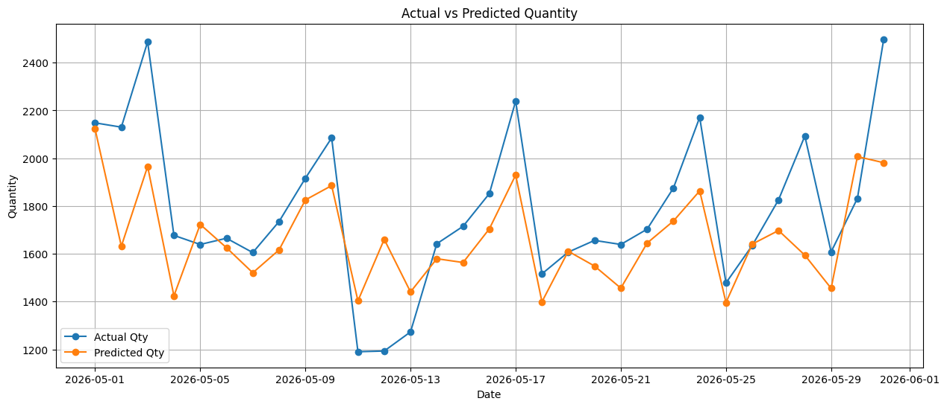
 | Test MAPE: 10.52%

10000196
Variable | Coefficient | Std_Error | t_stat | p_value | CI_Lower | CI_Upper |  | Metric | Value
0 | const | 6.918239 | 0.766328 | 9.027772 | 1.43E-15 | 5.402877 | 8.433601 | 0 | R-squared | 5.27E-01
1 | Trend | -0.000305 | 0.000249 | -1.226391 | 2.22E-01 | -0.000798 | 0.000187 | 1 | Adj R-squared | 4.85E-01
2 | Weekly Sin | 0.054456 | 0.012504 | 4.355078 | 2.59E-05 | 0.02973 | 0.079182 | 2 | F-statistic | 1.27E+01
3 | Weekly Cos | 0.006678 | 0.012528 | 0.53304 | 5.95E-01 | -0.018096 | 0.031452 | 3 | Prob(F-statistic) | 3.75E-17
4 | log_category_growth | 0.404697 | 0.045694 | 8.856606 | 3.80E-15 | 0.31434 | 0.495055 | 4 | AIC | -2.40E+02
5 | log_market_share_ratio | -0.211652 | 1.842526 | -0.114871 | 9.09E-01 | -3.85512 | 3.431815 | 5 | BIC | -2.01E+02
6 | ranking_change | 0.015619 | 0.025333 | 0.616552 | 5.39E-01 | -0.034476 | 0.065714 | 6 | No. Observations | 1.50E+02
7 | Festival Flag | 0.004899 | 0.022874 | 0.214154 | 8.31E-01 | -0.040333 | 0.05013
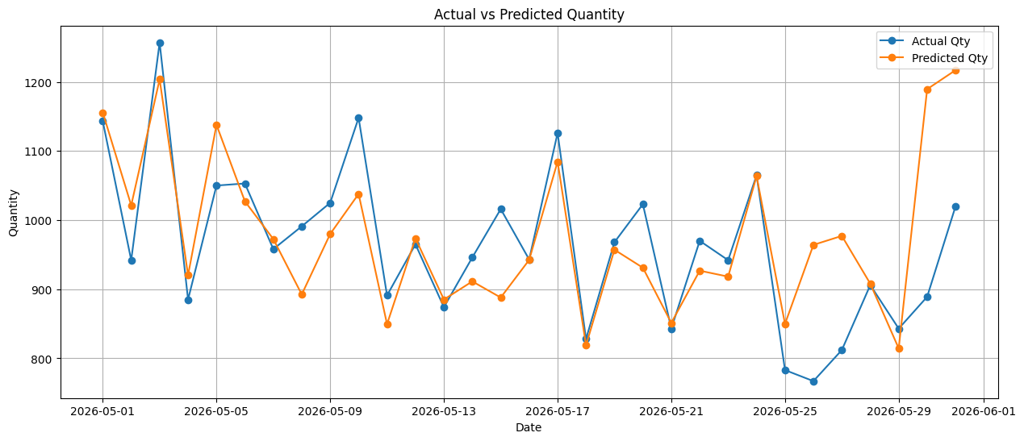
8 | log_CPM_Change | 0.057637 | 0.06291 | 0.916178 | 3.61E-01 | -0.066763 | 0.182037
9 | log_mrp_Change | 9.916316 | 10.994305 | 0.90195 | 3.69E-01 | -11.824166 | 31.656799
10 | log_comp_Change | 0.242068 | 0.132631 | 1.825124 | 7.02E-02 | -0.020201 | 0.504337
11 | First Week Flag | 0.138497 | 0.020571 | 6.732531 | 4.20E-10 | 0.097819 | 0.179176
12 | log_PTC_IG | -0.006453 | 0.134016 | -0.048153 | 9.62E-01 | -0.27146 | 0.258553

 | Test MAPE: 6.82%

10002013
Variable | Coefficient | Std_Error | t_stat | p_value | CI_Lower | CI_Upper |  | Metric | Value
0 | const | 9.863859 | 1.402741 | 7.031845 | 8.81E-11 | 7.090035 | 12.637683 | 0 | R-squared | 5.49E-01
1 | Trend | 0.000917 | 0.000375 | 2.445542 | 1.57E-02 | 0.000175 | 0.001658 | 1 | Adj R-squared | 5.09E-01
2 | Weekly Sin | 0.066403 | 0.017726 | 3.746015 | 2.64E-04 | 0.03135 | 0.101455 | 2 | F-statistic | 1.39E+01
3 | Weekly Cos | 0.03918 | 0.017575 | 2.229344 | 2.74E-02 | 0.004427 | 0.073932 | 3 | Prob(F-statistic) | 1.78E-18
4 | log_category_growth | 0.491416 | 0.063245 | 7.769979 | 1.66E-12 | 0.366353 | 0.61648 | 4 | AIC | -1.37E+02
5 | log_market_share_ratio | -5.062155 | 2.559632 | -1.977688 | 5.00E-02 | -10.123652 | -0.000658 | 5 | BIC | -9.79E+01
6 | ranking_change | -0.00794 | 0.011348 | -0.699696 | 4.85E-01 | -0.030381 | 0.0145 | 6 | No. Observations | 1.50E+02
7 | Festival Flag | 0.120555 | 0.028731 | 4.196034 | 4.85E-05 | 0.063742 | 0.177368
8 | log_CPM_Change | 0.005711 | 0.006949 | 0.821855 | 4.13E-01 | -0.00803 | 0.019453
9 | log_mrp_Change | 6.961843 | 22.470242 | 0.309825 | 7.57E-01 | -37.471515 | 51.395202
10 | log_comp_Change | 0.528044 | 0.458319 | 1.152132 | 2.51E-01 | -0.37825 | 1.434337
11 | First Week Flag | 0.159595 | 0.029867 | 5.343489 | 3.70E-07 | 0.100535 | 0.218655
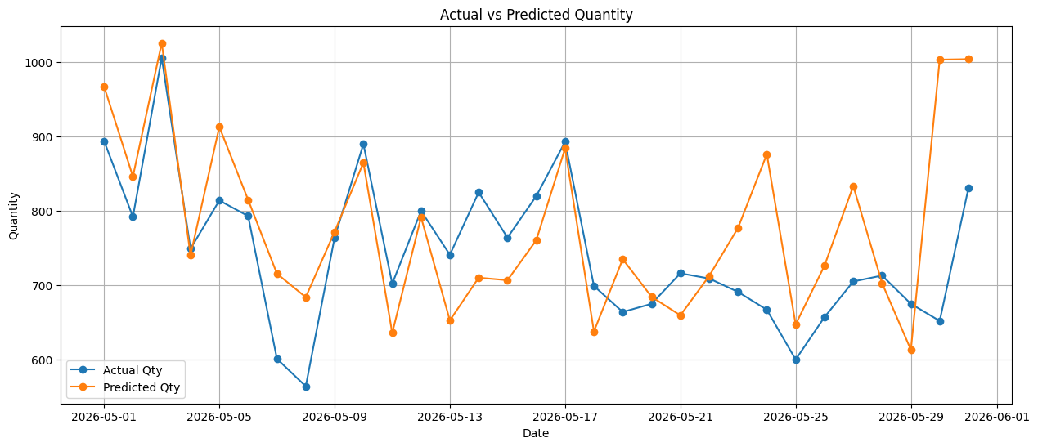
12 | log_PTC_IG | -0.514138 | 0.21741 | -2.36483 | 1.94E-02 | -0.944052 | -0.084225

 | Test MAPE: 10.46%

10006061
Variable | Coefficient | Std_Error | t_stat | p_value | CI_Lower | CI_Upper |  | Metric | Value
0 | const | 4.257295 | 0.984801 | 4.322998 | 2.94E-05 | 2.309918 | 6.204672 | 0 | R-squared | 6.35E-01
1 | Trend | -0.000563 | 0.00027 | -2.084954 | 3.89E-02 | -0.001097 | -0.000029 | 1 | Adj R-squared | 6.03E-01
2 | Weekly Sin | 0.073297 | 0.011878 | 6.170816 | 7.20E-09 | 0.049809 | 0.096785 | 2 | F-statistic | 1.98E+01
3 | Weekly Cos | 0.022723 | 0.011957 | 1.900458 | 5.95E-02 | -0.00092 | 0.046367 | 3 | Prob(F-statistic) | 1.89E-24
4 | log_category_growth | 0.408604 | 0.042905 | 9.523477 | 8.21E-17 | 0.323763 | 0.493446 | 4 | AIC | -2.56E+02
5 | log_market_share_ratio | -0.165535 | 1.695794 | -0.097615 | 9.22E-01 | -3.518851 | 3.187781 | 5 | BIC | -2.17E+02
6 | ranking_change | 0.001196 | 0.010888 | 0.10981 | 9.13E-01 | -0.020335 | 0.022726 | 6 | No. Observations | 1.50E+02
7 | Festival Flag | 0.070715 | 0.019566 | 3.614127 | 4.22E-04 | 0.032024 | 0.109406
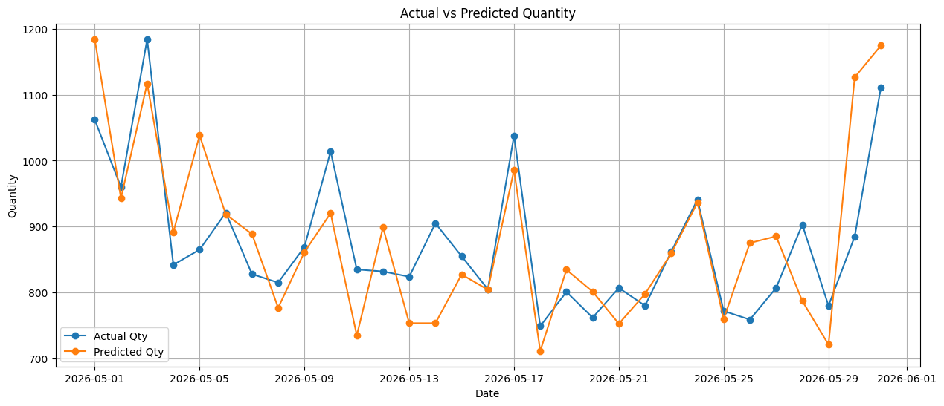
8 | log_CPM_Change | 0.019021 | 0.05775 | 0.329364 | 7.42E-01 | -0.095176 | 0.133217
9 | log_mrp_Change | -18.63696 | 14.494101 | -1.285831 | 2.01E-01 | -47.298047 | 10.024128
10 | log_comp_Change | 0.077127 | 0.238455 | 0.323443 | 7.47E-01 | -0.394402 | 0.548655
11 | First Week Flag | 0.187087 | 0.020759 | 9.012371 | 1.56E-15 | 0.146038 | 0.228136
12 | log_PTC_IG | 0.416862 | 0.165982 | 2.511485 | 1.32E-02 | 0.088643 | 0.745081

 | Test MAPE: 7.26%

10006061_New
Variable | Coefficient | Std_Error | t_stat | p_value | CI_Lower | CI_Upper |  | Metric | Value
0 | const | 7.465743 | 1.146514 | 6.511691 | 1.26E-09 | 5.198882 | 9.732604 | 0 | R-squared | 4.14E-01
1 | Trend | -0.000343 | 0.000325 | -1.055388 | 2.93E-01 | -0.000986 | 0.0003 | 1 | Adj R-squared | 3.72E-01
2 | Weekly Sin | 0.070647 | 0.01493 | 4.73177 | 5.41E-06 | 0.041127 | 0.100168 | 2 | F-statistic | 9.81E+00
3 | Weekly Cos | 0.028293 | 0.014971 | 1.889799 | 6.09E-02 | -0.001308 | 0.057894 | 3 | Prob(F-statistic) | 2.70E-12
4 | log_category_growth | 0.40541 | 0.052555 | 7.713943 | 2.13E-12 | 0.301499 | 0.509322 | 4 | AIC | -1.89E+02
5 | log_market_share_ratio | 0.585541 | 2.129693 | 0.274942 | 7.84E-01 | -3.625241 | 4.796323 | 5 | BIC | -1.56E+02
6 | ranking_change | 0.007989 | 0.013658 | 0.584931 | 5.60E-01 | -0.019015 | 0.034992 | 6 | No. Observations | 1.50E+02
7 | Festival Flag | 0.075091 | 0.024292 | 3.091147 | 2.41E-03 | 0.027061 | 0.123121
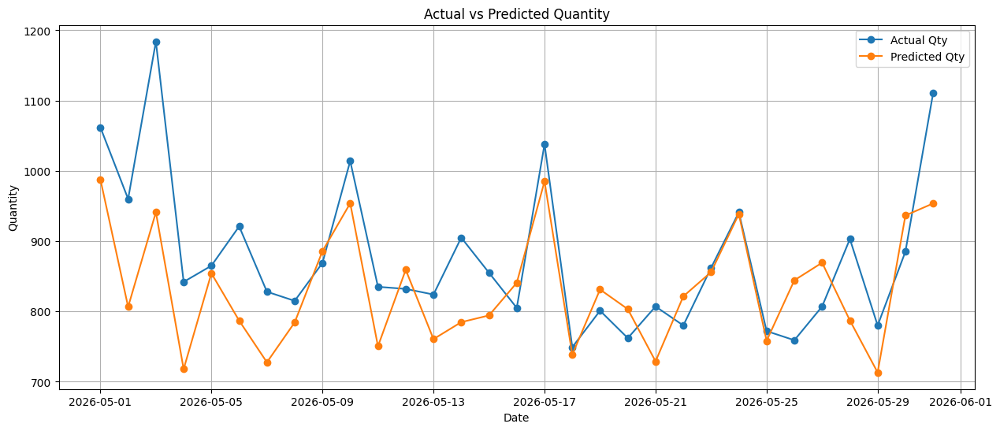
8 | log_CPM_Change | 0.051173 | 0.072427 | 0.706553 | 4.81E-01 | -0.092027 | 0.194374
9 | log_comp_Change | 0.019368 | 0.296666 | 0.065285 | 9.48E-01 | -0.567194 | 0.605929
10 | log_PTC_IG | -0.114435 | 0.193807 | -0.590459 | 5.56E-01 | -0.497625 | 0.268756

 | Test MAPE: 7.66%

10006305
Variable | Coefficient | Std_Error | t_stat | p_value | CI_Lower | CI_Upper |  | Metric | Value
0 | const | 8.661954 | 0.822532 | 10.530835 | 2.30E-19 | 7.035452 | 10.288455 | 0 | R-squared | 5.21E-01
1 | Trend | 0.002237 | 0.000392 | 5.704188 | 6.91E-08 | 0.001462 | 0.003013 | 1 | Adj R-squared | 4.79E-01
2 | Weekly Sin | 0.075544 | 0.018193 | 4.152301 | 5.76E-05 | 0.039568 | 0.11152 | 2 | F-statistic | 1.24E+01
3 | Weekly Cos | 0.012066 | 0.017949 | 0.672201 | 5.03E-01 | -0.023428 | 0.047559 | 3 | Prob(F-statistic) | 8.40E-17
4 | log_category_growth | 0.412741 | 0.063572 | 6.492459 | 1.44E-09 | 0.287031 | 0.538451 | 4 | AIC | -1.31E+02
5 | log_market_share_ratio | -4.9952 | 2.610632 | -1.913406 | 5.78E-02 | -10.157545 | 0.167145 | 5 | BIC | -9.18E+01
6 | ranking_change | 0.000274 | 0.014224 | 0.019288 | 9.85E-01 | -0.027854 | 0.028402 | 6 | No. Observations | 1.50E+02
7 | Festival Flag | 0.042616 | 0.031333 | 1.360097 | 1.76E-01 | -0.019343 | 0.104574
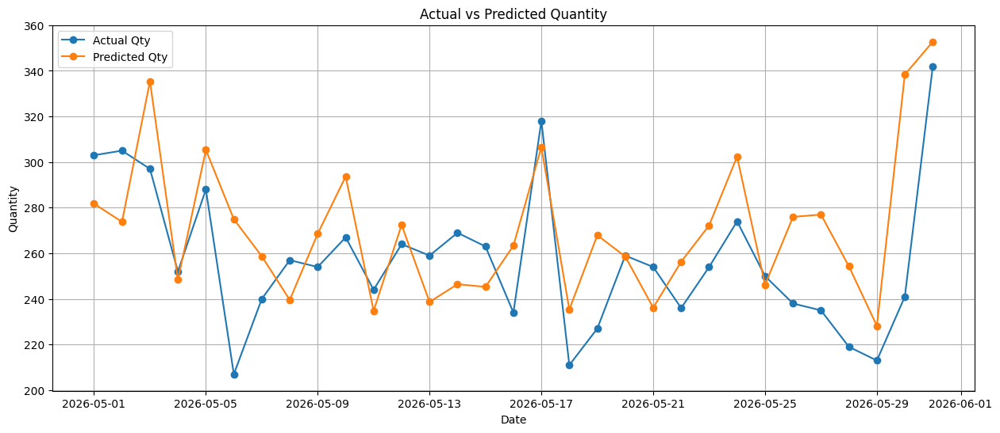
8 | log_CPM_Change | 0.010364 | 0.008725 | 1.187787 | 2.37E-01 | -0.00689 | 0.027617
9 | log_mrp_Change | 2.590717 | 30.595065 | 0.084678 | 9.33E-01 | -57.908919 | 63.090352
10 | log_comp_Change | 0.17836 | 0.155785 | 1.144918 | 2.54E-01 | -0.129693 | 0.486414
11 | First Week Flag | 0.125628 | 0.030997 | 4.05292 | 8.44E-05 | 0.064334 | 0.186923
12 | log_PTC_IG | -0.543019 | 0.134166 | -4.047359 | 8.62E-05 | -0.808323 | -0.277714

 | Test MAPE: 10.06%

10012362
Variable | Coefficient | Std_Error | t_stat | p_value | CI_Lower | CI_Upper |  | Metric | Value
0 | const | 4.26E+00 | 8.25E-01 | 5.164929 | 8.24E-07 | 2.63E+00 | 5.90E+00 | 0 | R-squared | 4.31E-01
1 | Trend | 7.15E-04 | 2.64E-04 | 2.702951 | 7.74E-03 | 1.92E-04 | 1.24E-03 | 1 | Adj R-squared | 3.85E-01
2 | Weekly Sin | 4.66E-02 | 1.26E-02 | 3.686772 | 3.26E-04 | 2.16E-02 | 7.16E-02 | 2 | F-statistic | 9.49E+00
3 | Weekly Cos | 1.19E-04 | 1.29E-02 | 0.009193 | 9.93E-01 | -2.54E-02 | 2.56E-02 | 3 | Prob(F-statistic) | 1.38E-12
4 | log_category_growth | 3.24E-01 | 4.60E-02 | 7.06125 | 7.38E-11 | 2.34E-01 | 4.15E-01 | 4 | AIC | -2.34E+02
5 | log_market_share_ratio | 4.48E-03 | 1.19E-02 | 0.375274 | 7.08E-01 | -1.91E-02 | 2.81E-02 | 5 | BIC | -1.98E+02
6 | ranking_change | -1.63E-12 | 2.26E-12 | -0.721945 | 4.72E-01 | -6.09E-12 | 2.83E-12 | 6 | No. Observations | 1.50E+02
7 | Festival Flag | -3.32E-02 | 2.18E-02 | -1.51963 | 1.31E-01 | -7.63E-02 | 9.99E-03
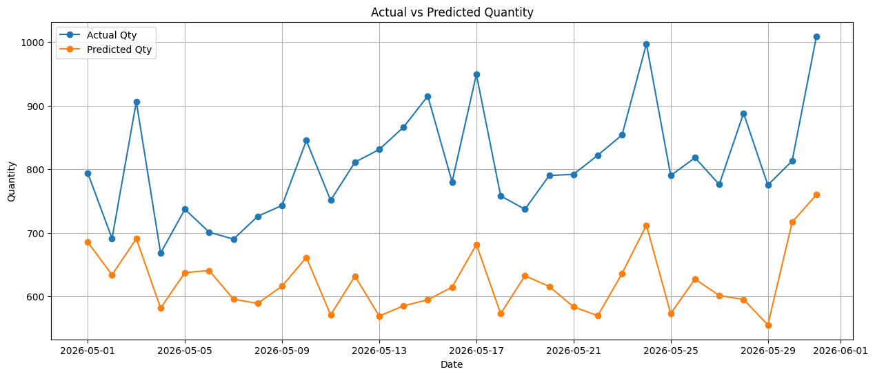
8 | log_CPM_Change | 6.25E-02 | 5.58E-02 | 1.121285 | 2.64E-01 | -4.77E-02 | 1.73E-01
9 | log_mrp_Change | -3.28E+01 | 4.54E+01 | -0.721772 | 4.72E-01 | -1.23E+02 | 5.70E+01
10 | log_comp_Change | 7.15E-02 | 1.71E-01 | 0.418413 | 6.76E-01 | -2.66E-01 | 4.09E-01
11 | First Week Flag | 7.27E-02 | 2.17E-02 | 3.343609 | 1.06E-03 | 2.97E-02 | 1.16E-01
12 | log_PTC_IG | 3.54E-01 | 1.47E-01 | 2.403242 | 1.76E-02 | 6.27E-02 | 6.44E-01

 | Test MAPE: 22.24%

10030412
Variable | Coefficient | Std_Error | t_stat | p_value | CI_Lower | CI_Upper |  | Metric | Value
0 | const | 1.892805 | 1.093886 | 1.730348 | 8.58E-02 | -0.270281 | 4.05589 | 0 | R-squared | 5.17E-01
1 | Trend | -0.000036 | 0.000424 | -0.084254 | 9.33E-01 | -0.000874 | 0.000803 | 1 | Adj R-squared | 4.75E-01
2 | Weekly Sin | 0.075115 | 0.019485 | 3.854923 | 1.77E-04 | 0.036584 | 0.113645 | 2 | F-statistic | 1.22E+01
3 | Weekly Cos | 0.034198 | 0.019264 | 1.775237 | 7.81E-02 | -0.003895 | 0.072291 | 3 | Prob(F-statistic) | 1.34E-16
4 | log_category_growth | 0.518846 | 0.068592 | 7.564266 | 5.11E-12 | 0.383211 | 0.654481 | 4 | AIC | -1.07E+02
5 | log_market_share_ratio | 0.01968 | 0.017169 | 1.146242 | 2.54E-01 | -0.014271 | 0.05363 | 5 | BIC | -6.83E+01
6 | ranking_change | -0.029982 | 0.018828 | -1.592427 | 1.14E-01 | -0.067213 | 0.007249 | 6 | No. Observations | 1.50E+02
7 | Festival Flag | 0.000581 | 0.034554 | 0.016824 | 9.87E-01 | -0.067747 | 0.06891
8 | log_CPM_Change | -0.004032 | 0.008083 | -0.498843 | 6.19E-01 | -0.020015 | 0.011951
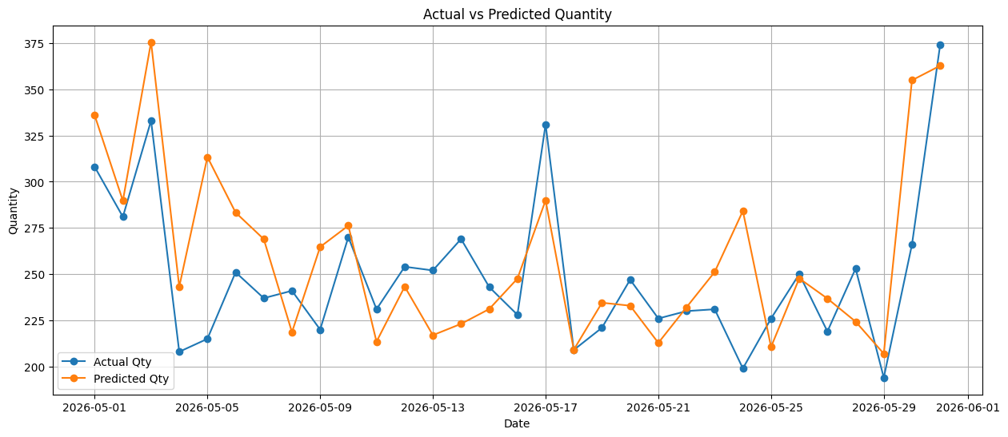
9 | log_mrp_Change | 8.682434 | 6.472366 | 1.341462 | 1.82E-01 | -4.116224 | 21.481092
10 | log_comp_Change | 0.080331 | 0.174254 | 0.460998 | 6.46E-01 | -0.264245 | 0.424907
11 | First Week Flag | 0.239847 | 0.033351 | 7.191514 | 3.79E-11 | 0.173897 | 0.305797
12 | log_PTC_IG | 0.54432 | 0.173421 | 3.138709 | 2.08E-03 | 0.201391 | 0.887249

 | Test MAPE: 11.45%

10046799
Variable | Coefficient | Std_Error | t_stat | p_value | CI_Lower | CI_Upper |  | Metric | Value
0 | const | 1.680394 | 1.058127 | 1.588083 | 1.15E-01 | -0.417446 | 3.778234 | 0 | R-squared | 5.28E-01
1 | Trend | 0.000682 | 0.000468 | 1.458089 | 1.48E-01 | -0.000245 | 0.001609 | 1 | Adj R-squared | 4.75E-01
2 | Weekly Sin | 0.05193 | 0.016734 | 3.103264 | 2.45E-03 | 0.018753 | 0.085107 | 2 | F-statistic | 9.89E+00
3 | Weekly Cos | 0.024531 | 0.016993 | 1.443571 | 1.52E-01 | -0.00916 | 0.058221 | 3 | Prob(F-statistic) | 1.06E-12
4 | log_category_growth | 0.399431 | 0.06049 | 6.603269 | 1.64E-09 | 0.279504 | 0.519358 | 4 | AIC | -1.43E+02
5 | log_market_share_ratio | 0.006483 | 0.013307 | 0.487204 | 6.27E-01 | -0.019899 | 0.032865 | 5 | BIC | -1.07E+02
6 | ranking_change | 0.000431 | 0.012113 | 0.035589 | 9.72E-01 | -0.023583 | 0.024445 | 6 | No. Observations | 1.19E+02
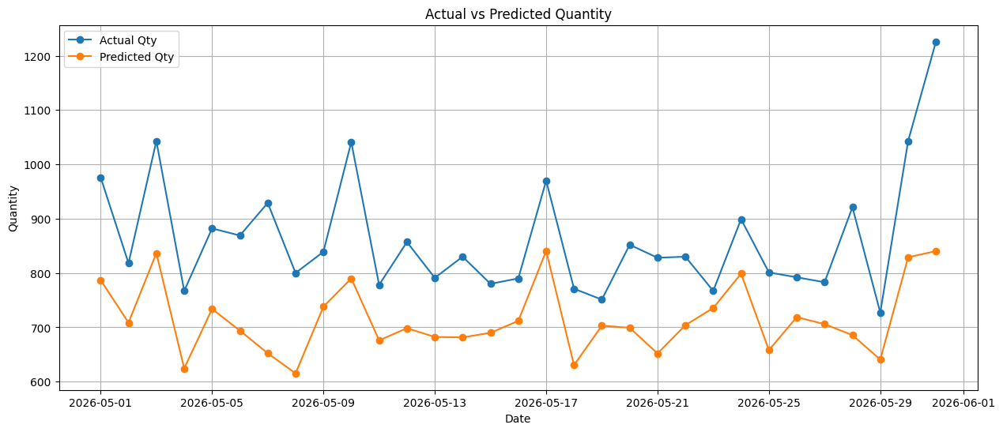
7 | Festival Flag | -0.021143 | 0.025904 | -0.816197 | 4.16E-01 | -0.072501 | 0.030215
8 | log_CPM_Change | 0.008912 | 0.007422 | 1.200761 | 2.33E-01 | -0.005803 | 0.023627
9 | log_mrp_Change | 69.381812 | 67.454755 | 1.028568 | 3.06E-01 | -64.353801 | 203.117424
10 | log_comp_Change | 0.108348 | 0.075243 | 1.439977 | 1.53E-01 | -0.040828 | 0.257525
11 | First Week Flag | 0.053664 | 0.028215 | 1.90199 | 5.99E-02 | -0.002274 | 0.109602
12 | log_PTC_IG | 0.767514 | 0.177692 | 4.319347 | 3.54E-05 | 0.415222 | 1.119807

 | Test MAPE: 16.65%

10117961
Variable | Coefficient | Std_Error | t_stat | p_value | CI_Lower | CI_Upper |  | Metric | Value
0 | const | 5.269117 | 0.989129 | 5.327026 | 3.99E-07 | 3.313182 | 7.225052 | 0 | R-squared | 6.14E-01
1 | Trend | 0.000083 | 0.00023 | 0.358876 | 7.20E-01 | -0.000372 | 0.000537 | 1 | Adj R-squared | 5.80E-01
2 | Weekly Sin | 0.044662 | 0.011551 | 3.866639 | 1.70E-04 | 0.021822 | 0.067503 | 2 | F-statistic | 1.82E+01
3 | Weekly Cos | -0.000228 | 0.011666 | -0.019523 | 9.84E-01 | -0.023297 | 0.022842 | 3 | Prob(F-statistic) | 6.83E-23
4 | log_category_growth | 0.419181 | 0.041409 | 10.122924 | 2.51E-18 | 0.337297 | 0.501064 | 4 | AIC | -2.60E+02
5 | log_market_share_ratio | 0.003987 | 0.010375 | 0.384334 | 7.01E-01 | -0.016528 | 0.024503 | 5 | BIC | -2.20E+02
6 | ranking_change | -0.000552 | 0.006727 | -0.082111 | 9.35E-01 | -0.013855 | 0.01275 | 6 | No. Observations | 1.50E+02
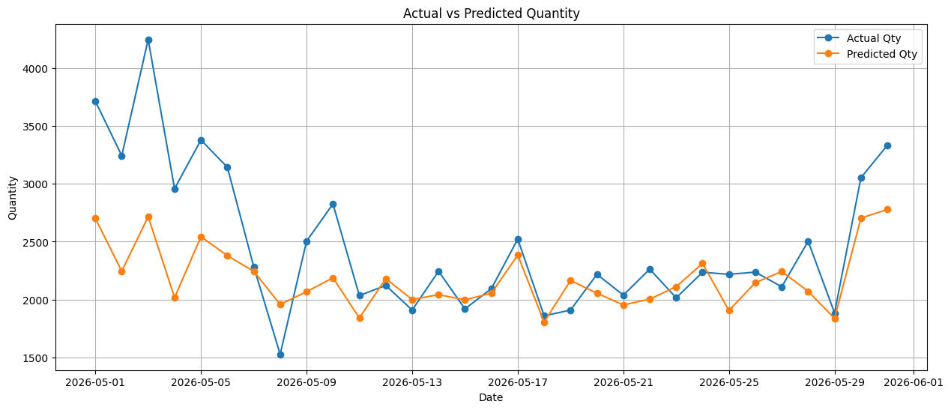
7 | Festival Flag | 0.027223 | 0.019009 | 1.432149 | 1.54E-01 | -0.010365 | 0.064812
8 | log_CPM_Change | 0.064226 | 0.035174 | 1.825941 | 7.00E-02 | -0.005329 | 0.133781
9 | log_mrp_Change | -9.324543 | 17.025523 | -0.54768 | 5.85E-01 | -42.991342 | 24.342257
10 | log_comp_Change | 0.089567 | 0.265753 | 0.33703 | 7.37E-01 | -0.435941 | 0.615075
11 | First Week Flag | 0.18963 | 0.020004 | 9.479582 | 1.06E-16 | 0.150073 | 0.229186
12 | log_PTC_IG | 0.396466 | 0.1713 | 2.314454 | 2.21E-02 | 0.057732 | 0.7352

 | Test MAPE: 12.98%

10117961_New
Variable | Coefficient | Std_Error | t_stat | p_value | CI_Lower | CI_Upper |  | Metric | Value
0 | const | 10.421751 | 1.380115 | 7.551364 | 6.15E-12 | 7.691937 | 13.151564 | 0 | R-squared | 0.193832
1 | Trend | 0.000835 | 0.000344 | 2.428011 | 1.65E-02 | 0.000155 | 0.001515 | 1 | Adj R-squared | 0.133217
2 | Weekly Sin | 0.022253 | 0.016027 | 1.388521 | 1.67E-01 | -0.009447 | 0.053954 | 2 | F-statistic | 3.197794
3 | Weekly Cos | 0.018219 | 0.016157 | 1.12768 | 2.61E-01 | -0.013738 | 0.050176 | 3 | Prob(F-statistic) | 0.001035
4 | log_market_share_ratio | -0.010594 | 0.013951 | -0.759372 | 4.49E-01 | -0.038188 | 0.017 | 4 | AIC | -160.767909
5 | ranking_change | 0.008225 | 0.009478 | 0.867769 | 3.87E-01 | -0.010523 | 0.026973 | 5 | BIC | -128.099963
6 | Festival Flag | 0.047966 | 0.025922 | 1.85035 | 6.65E-02 | -0.003308 | 0.099239 | 6 | No. Observations | 144
7 | log_mrp_Change | 12.150836 | 22.872508 | 0.531242 | 5.96E-01 | -33.090099 | 57.391772
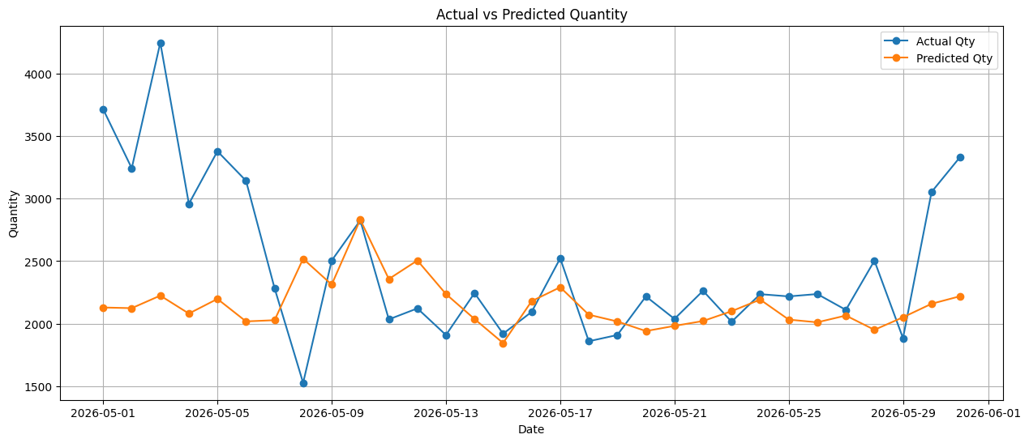
8 | log_comp_Change | 0.556109 | 0.367988 | 1.511215 | 1.33E-01 | -0.171757 | 1.283976
9 | log_PTC_IG | -0.538622 | 0.240559 | -2.239044 | 2.68E-02 | -1.014439 | -0.062806
10 | log_qty_lag7 | 0.000118 | 0.000034 | 3.432368 | 7.98E-04 | 0.00005 | 0.000185

 | Test MAPE: 17.76%

